Coded Indicators
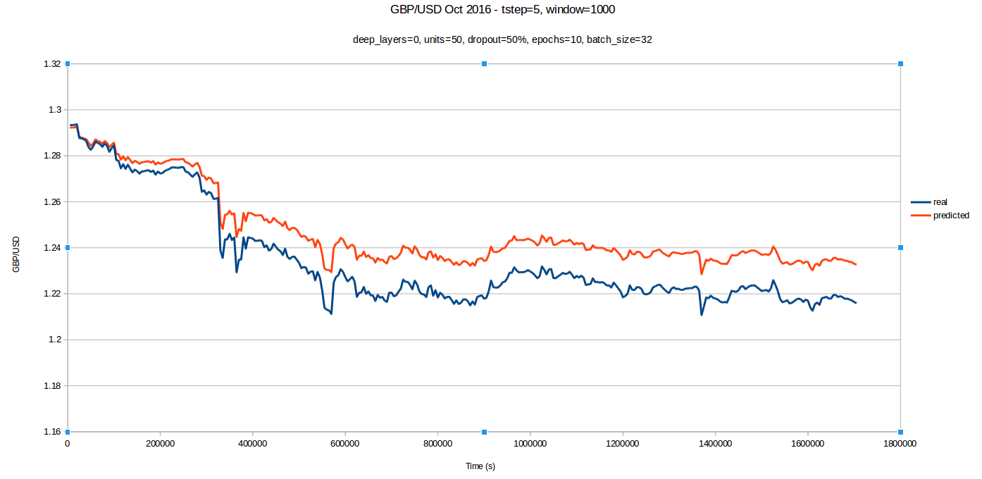
BUY/SELL INDICATORS
Accuracy so far this month/week/day/hour (let t-initial and t-final be variable inputs)
Cumulative value accuracy | Delta between predicited and real price for every time step combined
Averaged value accuracy | Delta between predicited and real price for every time step averaged
Cumulative delta accuracy | Delta of change in price between predicted and real price for every time step combined
Averaged delta accuracy | Delta of change in price between predicted and real price for every time step averaged
Averaged st. dev | Averaged standard deviation of model predictions (if overlayed models used)
no. points in boxplot | No. of real points that go through box plot of predicted points (if overlayed models used)
no. points in box | No. of real points that go through central box of box plot of predicted points (if overlayed models used)
no. correct directions | No. of correct price change directions, disregarding magnitude
Local Accuracy
Value accuracy gradient | Check if value accuracy is increasing or decreasing around trading time
Buy/Sell deltaT
Potential gain/loss | Need to define
Overnight check | Check if buy-sell time delta occurs over night
Delta t length | Need to define

